SU 12002
University | Ecole Centrale de Lyon |  |  |  | Back to BOM |  |  |  | Car # | 81 |  | Part Cost | $1.69
System | Suspension & Shocks |  | FileLink1 |  |  |  |  |  |  |  |  | Qty | 2
Assembly | Front Pullrod |  | FileLink2 |  |  |  |  |  | FileLink1
Part | Pullrod insert |  | FileLink3 |  |  |  |  |  | FileLink2 |  |  | Extended Cost | $3.38
P/N Base | SU 12002 |  |  |  |  |  |  |  | FileLink3
Suffix | AA
Details

ItemOrder | Material | Use | UnitCost | Size1 | Unit1 | Size2 | Unit2 | Area Name | Area | Length | Density | Quantity | Sub Total
10 | Steel, Mild (per kg) | Steel for machining the part | $2.25 | 0.07 | kg |  |  | Cylindrical 18 mm diameter | 2.54E-04 | 3.50E-02 | 7,850.00 | 1 | $0.16
 |  |  |  |  |  |  |  |  |  |  |  | Sub Total | $0.16
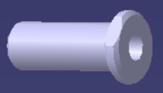
ItemOrder | Process | Use | UnitCost | Unit | Quantity | Multiplier | Mult. Val. | Sub Total
10 | Machining Setup, Install and remove | Setup for machining and removal | $1.30 | Unit | 1 | 4 parts made from a single machine setup | 0.25 | $0.33
20 | Machining | Material removal - side view profile | $0.04 | cm^3 | 5.5 | Material - Steel | 3 | $0.66
30 | Machining setup, change | Setup for machining process | $0.65 | Unit | 1 | 4 parts made from a single machine setup | 0.25 | $0.16
40 | Machining | Material removal | $0.04 | cm^3 | 0.3 | Material - Steel | 3 | $0.04
50 | Tapping Holes | Rod End emplacement | $0.35 | hole | 1 |  | 1 | $0.35
 |  |  |  |  |  |  | Sub Total | $1.53

dSU 12002
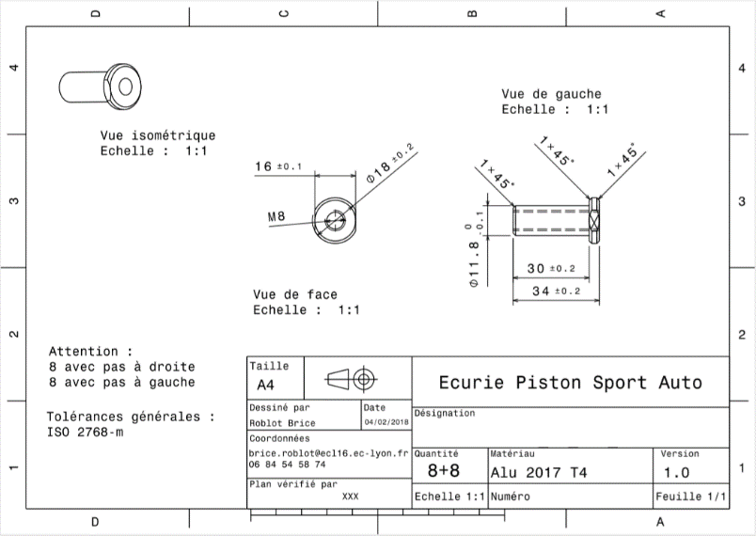
Drawing : | SU_12002

SU 12003
University | Ecole Centrale de Lyon |  |  |  |  | Back to BOM |  |  | Car # | 81 |  | Part Cost | $0.26
System | Suspension & Shocks |  | FileLink1 |  |  |  |  |  |  |  |  | Qty | 2
Assembly | Front Pullrod |  | FileLink2 |  |  |  |  |  | FileLink1
Part | Spacer 1 |  | FileLink3 |  |  |  |  |  | FileLink2 |  |  | Extended Cost | $0.51
P/N Base | SU 12003 |  |  |  |  |  |  |  | FileLink3
Suffix | AA
Details

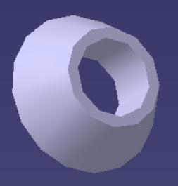
ItemOrder | Material | Use | UnitCost | Size1 | Unit1 | Size2 | Unit2 | Area Name | Area | Length | Density | Quantity | Sub Total
10 | Steel, Mild | Material for Part | $2.25 | 0.0079 | kg |  |  | Cylindrical 16 mm diameter | 2.01E-04 | 5.00E-03 | 7,850 | 1.00 | $0.02
 |  |  |  |  |  |  |  |  |  |  |  | Sub Total | $0.02

ItemOrder | Process | Use | UnitCost | Unit | Quantity | Multiplier | Mult. Val. | Sub Total
10 | Machining setup, install and remove |  | $1.30 | unit | 1 | 8 parts made from a single machine setup | 0.125 | $0.16
20 | Machining |  | $0.04 | cm^3 | 0.63 | Material - Steel | 3 | $0.08
 |  |  |  |  |  |  | Sub Total | $0.24

dSU 12003
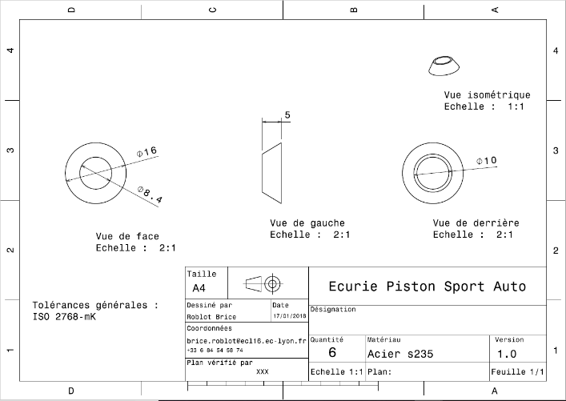
Drawing : | SU_12003

dSU 12004
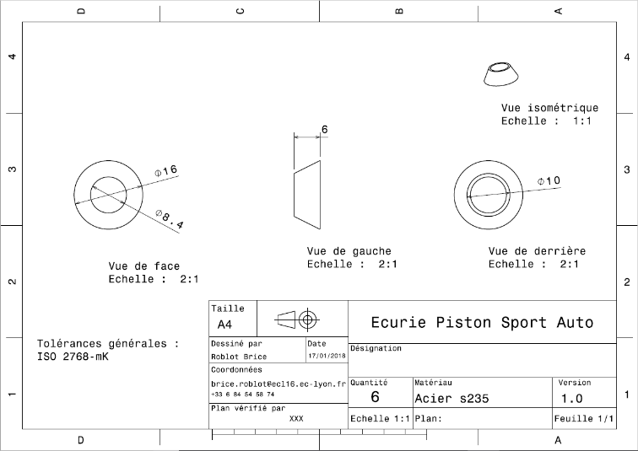
Drawing : | SU_12004

